BugReport
QA |  |  |  |  |  |  | Dev
Bug ID | Project/Module_Name | Build No | Description | TCID | Steps Steps to replicate bug | Screenshot | Sevirity | Priority | Reported By | Assigned to | Resolution | Status | Fixed Date
ORHRM_001 | Orange HRM-MyInfo | 1 | Dashboard is displayed after login is successfull instead of Myinfo page after. | TC_MyInfo_002 | 1)Enter a valid ESS user name in the User Name Field (Test Data) 2)Enter a valid password in the Password field (Test Data) 3)Click on "Login" button (ER1) | 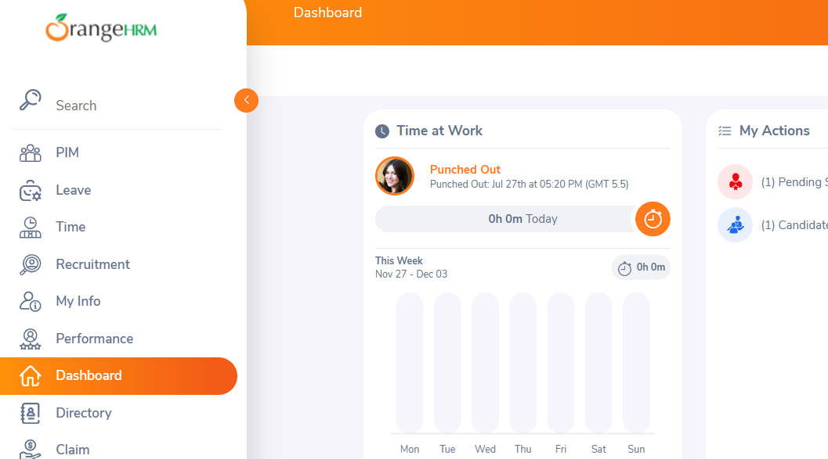 | S3 | P3 | Mabrouka | Jack | In progress | Accepted
ORHRM_002 | Orange HRM-MyInfo | 1 | Some type of attachment with a size < 1Mb not be uploaded instead of that a warning message "Attachment Size Exceeded" is displayed | TC_MyInfo_062 | 1) Login to OrangeHRM as ESS user 2) Click on MyInfo tab 3) Click on "Qualifications" link 4)Click on "Add" Button under " Attachment " (ER1) 5)Select a file from a relevant path 6)Click“Upload” (ER2) | 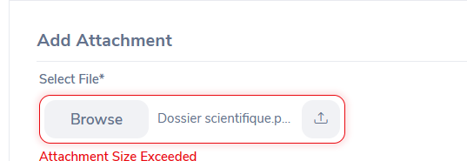 | S3 | P3 | Mabrouka | Jack | In progress | Accepted

